source
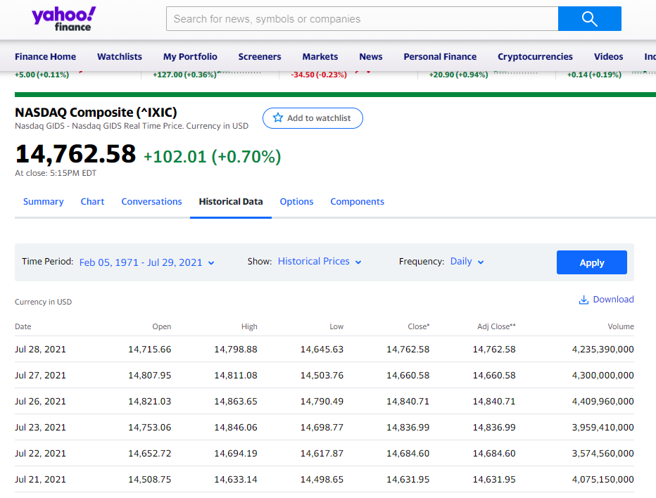
https://finance.yahoo.com/quote/%5EIXIC/history?period1=34560000&period2=1627516800&interval=1d&filter=history&frequency=1d&includeAdjustedClose=true

deflator
Deflator
 | Change to 01-01-2009 | Deflator
1/1/2000 | 2.5804 | 0.94793011676
1/2/2000 | 2.5804 | 0.94793011676
1/3/2000 | 2.6196 | 0.9630124452
1/4/2000 | 2.4741 | 0.90586642783
1/5/2000 | 2.4588 | 0.89965759235
1/6/2000 | 2.3634 | 0.86009511945
1/7/2000 | 2.4620 | 0.90096686397
1/8/2000 | 2.4620 | 0.90096686397
1/9/2000 | 2.4620 | 0.90096686397
1/10/2000 | 2.5679 | 0.94309202741
1/11/2000 | 2.4864 | 0.91085181446
1/12/2000 | 2.4413 | 0.89253499863
1/13/2000 | 2.5093 | 0.919995872
1/14/2000 | 2.5772 | 0.94669080035
1/15/2000 | 2.5772 | 0.94669080035
1/16/2000 | 2.5772 | 0.94669080035
1/17/2000 | 2.5772 | 0.94669080035
1/18/2000 | 2.6194 | 0.96293017828
1/19/2000 | 2.6323 | 0.96787578906
1/20/2000 | 2.6566 | 0.97704037648
1/21/2000 | 2.6857 | 0.98793440186
1/22/2000 | 2.6857 | 0.98793440186
1/23/2000 | 2.6857 | 0.98793440186
1/24/2000 | 2.5973 | 0.95448708819
1/25/2000 | 2.6426 | 0.97175142751
1/26/2000 | 2.5807 | 0.94807751491
1/27/2000 | 2.5615 | 0.94059244011
1/28/2000 | 2.4648 | 0.9021123283
1/29/2000 | 2.4648 | 0.9021123283
1/30/2000 | 2.4648 | 0.9021123283
1/31/2000 | 2.4986 | 0.91572622707
2/1/2000 | 2.5694 | 0.94366229595
2/2/2000 | 2.5833 | 0.94907214017
2/3/2000 | 2.6702 | 0.9821520453
2/4/2000 | 2.6912 | 0.98999589058
2/5/2000 | 2.6912 | 0.98999589058
2/6/2000 | 2.6912 | 0.98999589058
2/7/2000 | 2.7404 | 1.0081216955
2/8/2000 | 2.8075 | 1.032291741
2/9/2000 | 2.7667 | 1.0176716046
2/10/2000 | 2.8444 | 1.0453355781
2/11/2000 | 2.7872 | 1.0250266097
2/12/2000 | 2.7872 | 1.0250266097
2/13/2000 | 2.7872 | 1.0250266097
2/14/2000 | 2.8018 | 1.0302681942
2/15/2000 | 2.8032 | 1.0307705439
2/16/2000 | 2.8076 | 1.0323255975
2/17/2000 | 2.8845 | 1.0593464754
2/18/2000 | 2.7975 | 1.0287258729
2/19/2000 | 2.7975 | 1.0287258729
...
2000-01-01 | start date | target value | at row num
2009-01-01 | target date | 1577.03 | #NAME?
Date | Close | Change to 01-01-2009 | Deflator
2000-01-01 | 4069.310059 | 2.5804 | 0.94793011676
2000-01-02 | 4069.310059 | 2.5804 | 0.94793011676
2000-01-03 | 4131.149902 | 2.6196 | 0.9630124452
2000-01-04 | 3901.689941 | 2.4741 | 0.90586642783
2000-01-05 | 3877.540039 | 2.4588 | 0.89965759235
2000-01-06 | 3727.129883 | 2.3634 | 0.86009511945
2000-01-07 | 3882.620117 | 2.4620 | 0.90096686397
2000-01-08 | 3882.620117 | 2.4620 | 0.90096686397
2000-01-09 | 3882.620117 | 2.4620 | 0.90096686397
2000-01-10 | 4049.669922 | 2.5679 | 0.94309202741
2000-01-11 | 3921.189941 | 2.4864 | 0.91085181446
2000-01-12 | 3850.02002 | 2.4413 | 0.89253499863
2000-01-13 | 3957.209961 | 2.5093 | 0.919995872
2000-01-14 | 4064.27002 | 2.5772 | 0.94669080035
2000-01-15 | 4064.27002 | 2.5772 | 0.94669080035
2000-01-16 | 4064.27002 | 2.5772 | 0.94669080035
2000-01-17 | 4064.27002 | 2.5772 | 0.94669080035
2000-01-18 | 4130.810059 | 2.6194 | 0.96293017828
2000-01-19 | 4151.290039 | 2.6323 | 0.96787578906
2000-01-20 | 4189.509766 | 2.6566 | 0.97704037648
2000-01-21 | 4235.399902 | 2.6857 | 0.98793440186
2000-01-22 | 4235.399902 | 2.6857 | 0.98793440186
2000-01-23 | 4235.399902 | 2.6857 | 0.98793440186
2000-01-24 | 4096.080078 | 2.5973 | 0.95448708819
2000-01-25 | 4167.410156 | 2.6426 | 0.97175142751
2000-01-26 | 4069.909912 | 2.5807 | 0.94807751491
2000-01-27 | 4039.560059 | 2.5615 | 0.94059244011
2000-01-28 | 3887.070068 | 2.4648 | 0.9021123283
2000-01-29 | 3887.070068 | 2.4648 | 0.9021123283
2000-01-30 | 3887.070068 | 2.4648 | 0.9021123283
2000-01-31 | 3940.350098 | 2.4986 | 0.91572622707
2000-02-01 | 4051.97998 | 2.5694 | 0.94366229595
2000-02-02 | 4073.959961 | 2.5833 | 0.94907214017
2000-02-03 | 4210.97998 | 2.6702 | 0.9821520453
2000-02-04 | 4244.140137 | 2.6912 | 0.98999589058
2000-02-05 | 4244.140137 | 2.6912 | 0.98999589058
2000-02-06 | 4244.140137 | 2.6912 | 0.98999589058
2000-02-07 | 4321.77002 | 2.7404 | 1.0081216955
2000-02-08 | 4427.5 | 2.8075 | 1.032291741
2000-02-09 | 4363.240234 | 2.7667 | 1.0176716046
2000-02-10 | 4485.629883 | 2.8444 | 1.0453355781
2000-02-11 | 4395.450195 | 2.7872 | 1.0250266097
2000-02-12 | 4395.450195 | 2.7872 | 1.0250266097
2000-02-13 | 4395.450195 | 2.7872 | 1.0250266097
2000-02-14 | 4418.549805 | 2.8018 | 1.0302681942
2000-02-15 | 4420.77002 | 2.8032 | 1.0307705439
2000-02-16 | 4427.649902 | 2.8076 | 1.0323255975
2000-02-17 | 4548.919922 | 2.8845 | 1.0593464754
2000-02-18 | 4411.740234 | 2.7975 | 1.0287258729
2000-02-19 | 4411.740234 | 2.7975 | 1.0287258729
2000-02-20 | 4411.740234 | 2.7975 | 1.0287258729
2000-02-21 | 4411.740234 | 2.7975 | 1.0287258729
2000-02-22 | 4382.120117 | 2.7787 | 1.0219893026
2000-02-23 | 4550.330078 | 2.8854 | 1.0596564253
2000-02-24 | 4617.649902 | 2.9281 | 1.0743425468
2000-02-25 | 4590.5 | 2.9109 | 1.068445601
2000-02-26 | 4590.5 | 2.9109 | 1.068445601
2000-02-27 | 4590.5 | 2.9109 | 1.068445601
2000-02-28 | 4577.850098 | 2.9028 | 1.0656861274
2000-02-29 | 4696.689941 | 2.9782 | 1.0913146431
2000-03-01 | 4784.080078 | 3.0336 | 1.1097504056
2000-03-02 | 4754.509766 | 3.0149 | 1.1035502424
2000-03-03 | 4914.790039 | 3.1165 | 1.1367056846
2000-03-04 | 4914.790039 | 3.1165 | 1.1367056846
2000-03-05 | 4914.790039 | 3.1165 | 1.1367056846
2000-03-06 | 4904.850098 | 3.1102 | 1.1346811818
2000-03-07 | 4847.839844 | 3.0740 | 1.1229898631
2000-03-08 | 4897.259766 | 3.1054 | 1.1331324676
2000-03-09 | 5046.859863 | 3.2002 | 1.1632228909
2000-03-10 | 5048.620117 | 3.2013 | 1.1635716121
2000-03-11 | 5048.620117 | 3.2013 | 1.1635716121
2000-03-12 | 5048.620117 | 3.2013 | 1.1635716121
2000-03-13 | 4907.240234 | 3.1117 | 1.1351683637
2000-03-14 | 4706.629883 | 2.9845 | 1.0934287785
2000-03-15 | 4582.620117 | 2.9059 | 1.0667275628
2000-03-16 | 4717.390137 | 2.9913 | 1.0957123599
2000-03-17 | 4798.129883 | 3.0425 | 1.1126828846
2000-03-18 | 4798.129883 | 3.0425 | 1.1126828846
2000-03-19 | 4798.129883 | 3.0425 | 1.1126828846
2000-03-20 | 4610 | 2.9232 | 1.0726845074
2000-03-21 | 4711.680176 | 2.9877 | 1.09450122
2000-03-22 | 4864.75 | 3.0848 | 1.1264719772
2000-03-23 | 4940.609863 | 3.1329 | 1.141945428
2000-03-24 | 4963.029785 | 3.1471 | 1.1464730483
2000-03-25 | 4963.029785 | 3.1471 | 1.1464730483
2000-03-26 | 4963.029785 | 3.1471 | 1.1464730483
2000-03-27 | 4958.560059 | 3.1442 | 1.1455720383
2000-03-28 | 4833.890137 | 3.0652 | 1.1201082052
2000-03-29 | 4644.669922 | 2.9452 | 1.0801769592
2000-03-30 | 4457.890137 | 2.8268 | 1.039132241
2000-03-31 | 4572.830078 | 2.8996 | 1.0645889367
2000-04-01 | 4572.830078 | 2.8996 | 1.0645889367
2000-04-02 | 4572.830078 | 2.8996 | 1.0645889367
2000-04-03 | 4223.680176 | 2.6782 | 0.98516347798
2000-04-04 | 4148.890137 | 2.6308 | 0.96729751196
2000-04-05 | 4169.220215 | 2.6437 | 0.97218566987
2000-04-06 | 4267.560059 | 2.7061 | 0.99549889952
2000-04-07 | 4446.450195 | 2.8195 | 1.0365627192
2000-04-08 | 4446.450195 | 2.8195 | 1.0365627192
2000-04-09 | 4446.450195 | 2.8195 | 1.0365627192
2000-04-10 | 4188.200195 | 2.6558 | 0.97672774427
2000-04-11 | 4055.899902 | 2.5719 | 0.94462923734
2000-04-12 | 3769.629883 | 2.3903 | 0.87143347272
2000-04-13 | 3676.780029 | 2.3315 | 0.84649402738
2000-04-14 | 3321.290039 | 2.1060 | 0.74480992377
2000-04-15 | 3321.290039 | 2.1060 | 0.74480992377
2000-04-16 | 3321.290039 | 2.1060 | 0.74480992377
2000-04-17 | 3539.159912 | 2.2442 | 0.80834603634
2000-04-18 | 3793.570068 | 2.4055 | 0.87776419652
2000-04-19 | 3706.409912 | 2.3502 | 0.85452037976
2000-04-20 | 3643.879883 | 2.3106 | 0.83750566625
2000-04-21 | 3643.879883 | 2.3106 | 0.83750566625
2000-04-22 | 3643.879883 | 2.3106 | 0.83750566625
2000-04-23 | 3643.879883 | 2.3106 | 0.83750566625
2000-04-24 | 3482.47998 | 2.2083 | 0.79220132826
2000-04-25 | 3711.22998 | 2.3533 | 0.85582000302
2000-04-26 | 3630.090088 | 2.3019 | 0.83371411595
2000-04-27 | 3774.030029 | 2.3931 | 0.87260005407
2000-04-28 | 3860.659912 | 2.4481 | 0.89529478087
2000-04-29 | 3860.659912 | 2.4481 | 0.89529478087
2000-04-30 | 3860.659912 | 2.4481 | 0.89529478087
2000-05-01 | 3958.080078 | 2.5098 | 0.92021572926
2000-05-02 | 3785.449951 | 2.4004 | 0.87562140758
2000-05-03 | 3707.310059 | 2.3508 | 0.85476321251
2000-05-04 | 3720.23999 | 2.3590 | 0.85824482999
2000-05-05 | 3816.820068 | 2.4203 | 0.88387428336
2000-05-06 | 3816.820068 | 2.4203 | 0.88387428336
2000-05-07 | 3816.820068 | 2.4203 | 0.88387428336
2000-05-08 | 3669.379883 | 2.3268 | 0.84447932893
2000-05-09 | 3585.01001 | 2.2733 | 0.82121791659
2000-05-10 | 3384.72998 | 2.1463 | 0.76373078396
2000-05-11 | 3499.580078 | 2.2191 | 0.79709963393
2000-05-12 | 3529.060059 | 2.2378 | 0.8054882136
2000-05-13 | 3529.060059 | 2.2378 | 0.8054882136
2000-05-14 | 3529.060059 | 2.2378 | 0.8054882136
2000-05-15 | 3607.649902 | 2.2876 | 0.82751321403
2000-05-16 | 3717.570068 | 2.3573 | 0.85752689767
2000-05-17 | 3644.959961 | 2.3113 | 0.83780203111
2000-05-18 | 3538.709961 | 2.2439 | 0.80821889328
2000-05-19 | 3390.399902 | 2.1499 | 0.76540452998
2000-05-20 | 3390.399902 | 2.1499 | 0.76540452998
2000-05-21 | 3390.399902 | 2.1499 | 0.76540452998
2000-05-22 | 3364.209961 | 2.1333 | 0.7576498046
2000-05-23 | 3164.550049 | 2.0067 | 0.69646753123
2000-05-24 | 3270.610107 | 2.0739 | 0.72943319492
2000-05-25 | 3205.350098 | 2.0325 | 0.7092779697
2000-05-26 | 3205.110107 | 2.0324 | 0.70920309489
2000-05-27 | 3205.110107 | 2.0324 | 0.70920309489
2000-05-28 | 3205.110107 | 2.0324 | 0.70920309489
2000-05-29 | 3205.110107 | 2.0324 | 0.70920309489
2000-05-30 | 3459.47998 | 2.1937 | 0.78557493333
2000-05-31 | 3400.909912 | 2.1565 | 0.76849966734
2000-06-01 | 3582.5 | 2.2717 | 0.82051753107
2000-06-02 | 3813.379883 | 2.4181 | 0.88297255464
2000-06-03 | 3813.379883 | 2.4181 | 0.88297255464
2000-06-04 | 3813.379883 | 2.4181 | 0.88297255464
2000-06-05 | 3821.76001 | 2.4234 | 0.88516770246
2000-06-06 | 3756.370117 | 2.3819 | 0.86790974704
2000-06-07 | 3839.26001 | 2.4345 | 0.88973629265
2000-06-08 | 3825.560059 | 2.4258 | 0.88616152756
2000-06-09 | 3874.840088 | 2.4570 | 0.89896104469
2000-06-10 | 3874.840088 | 2.4570 | 0.89896104469
2000-06-11 | 3874.840088 | 2.4570 | 0.89896104469
2000-06-12 | 3767.909912 | 2.3892 | 0.87097709807
2000-06-13 | 3851.060059 | 2.4420 | 0.89280510075
2000-06-14 | 3797.409912 | 2.4080 | 0.87877588258
2000-06-15 | 3845.73999 | 2.4386 | 0.89142268993
2000-06-16 | 3860.560059 | 2.4480 | 0.89526891631
2000-06-17 | 3860.560059 | 2.4480 | 0.89526891631
2000-06-18 | 3860.560059 | 2.4480 | 0.89526891631
2000-06-19 | 3989.830078 | 2.5300 | 0.92820529338
2000-06-20 | 4013.360107 | 2.5449 | 0.93408547272
2000-06-21 | 4064.01001 | 2.5770 | 0.94662682371
2000-06-22 | 3936.840088 | 2.4964 | 0.91483504376
2000-06-23 | 3845.340088 | 2.4383 | 0.89131869881
2000-06-24 | 3845.340088 | 2.4383 | 0.89131869881
2000-06-25 | 3845.340088 | 2.4383 | 0.89131869881
2000-06-26 | 3912.120117 | 2.4807 | 0.9085361068
2000-06-27 | 3858.959961 | 2.4470 | 0.89485435736
2000-06-28 | 3940.340088 | 2.4986 | 0.91572368668
2000-06-29 | 3877.22998 | 2.4586 | 0.89957762634
2000-06-30 | 3966.110107 | 2.5149 | 0.92224244279
2000-07-01 | 3966.110107 | 2.5149 | 0.92224244279
2000-07-02 | 3966.110107 | 2.5149 | 0.92224244279
2000-07-03 | 3991.929932 | 2.5313 | 0.92873145654
2000-07-04 | 3991.929932 | 2.5313 | 0.92873145654
2000-07-05 | 3863.100098 | 2.4496 | 0.89592664568
2000-07-06 | 3960.570068 | 2.5114 | 0.92084462182
2000-07-07 | 4023.199951 | 2.5511 | 0.93653424405
2000-07-08 | 4023.199951 | 2.5511 | 0.93653424405
2000-07-09 | 4023.199951 | 2.5511 | 0.93653424405
2000-07-10 | 3980.290039 | 2.5239 | 0.92581134111
2000-07-11 | 3956.419922 | 2.5088 | 0.91979620661
2000-07-12 | 4099.589844 | 2.5996 | 0.95534358101
2000-07-13 | 4174.859863 | 2.6473 | 0.97353744234
2000-07-14 | 4246.180176 | 2.6925 | 0.99047644702
2000-07-15 | 4246.180176 | 2.6925 | 0.99047644702
2000-07-16 | 4246.180176 | 2.6925 | 0.99047644702
2000-07-17 | 4274.669922 | 2.7106 | 0.99716353853
2000-07-18 | 4177.169922 | 2.6488 | 0.97409061543
2000-07-19 | 4055.629883 | 2.5717 | 0.94456266075
2000-07-20 | 4184.560059 | 2.6534 | 0.97585822547
2000-07-21 | 4094.449951 | 2.5963 | 0.95408903653
2000-07-22 | 4094.449951 | 2.5963 | 0.95408903653
2000-07-23 | 4094.449951 | 2.5963 | 0.95408903653
2000-07-24 | 3981.570068 | 2.5247 | 0.9261328813
...

